TASKS-SHEET
 | KAVIN NARESH G R 2595 TRAINEE CONSULTANT ORACLE TECHNICAL
 | KAVINNARESH.RENGARAJ@CHAINSYS.COM
 | HTTPS://WWW.GITHUB.COM/KAVINKAVIN16/FUSION
 | TRAINER 1: ARUN
 | TRAINER 2: MOHAMMEDASIFKHANA

Task Date | Task Question | TASK Number | Completed On

2021-06-16 | Bi report for receivables module- RTF TEMPLATE | TASK1 | 2021-06-21
2021-06-17 | OTBI report - Master details and Action Links-practice task | TASK2 | 2021-06-18
2021-06-21 | Task 1 for multiple latyouts for all customer/suppliers for a module
 | (such as receivable,purchasing,PO,AP invoice module etc,. ). Using only a
 | parameter as BUSINESS_UNIT.Using Bi Publisher

2021-06-23 | Using task1 datamodel: create a single sheet template for all customer/supplier | TASK3 | 2021-06-23
 | details for all BU's(hardcoded).Each page has a detail of Customer/Supplier detail

2021-06-24 | Create a multilayout EXCEL Report for the same datamodel. | TASK4 | 2021-06-23
 | Each page has a detail of Customer/Supplier detail such as their details like
 | name, address, city,country, postalcode followed by this, a table should
 | consist of some meaningfull columns and data.(HINT: 1)use the rtf template loaded with data model)
 | for task1 and then click EXCEL preview in BI Publisher menu in MS Word. 2) Here we don't need to
 | create any template,simply use rtf template for task1 and then excel preview will generate output)

2021-06-24 | BURSTING | TASK5 | 2021-06-27

2021-06-25 | Reports on multiple dependency parameters (not less than 5 params) | TASK6 | 2021-06-28

2021-06-25 | Security Console | TASK7 | 2021-06-28

2021-06-28 |  | TASK8 | 2021-06-29

2021-06-28 | Dynamic Logo Change based on customer.
 | Customer Detail Repeat on each page if customer has more than one page
 | Page number based on each customer | TASK9 | 2021-06-30

2021-06-28 | Records limit in each page RTF template | TASK10 | 2021-06-30
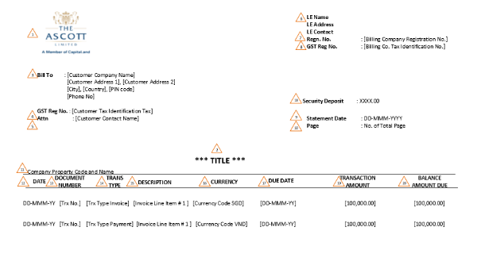

2021-07-05 | PO TABLE FROM CLIENT BASED REPORT PRACTICE | TASK11 | IN-PROGRESS

2021-07-05 | SQL JOINS AND SET OPERATORS | TASK12 | 2021-07-06

2021-07-06 | Supplier Query Task (Muthukrishnan's Task) | TASK 13 | 2021-07-07
 | Customer Query Task (Muthukrishnan's Task)

9-Jul-21 | View Selector & Column Selector` | TASK 14 | 2021-07-09

12-Jul-21 | Report Properties | TASK 15 | 13-Jul-21

2021-06-29 | Sales Order Details

2021-06-29 | Purchase Order Details

2021-06-29 | AR Aging Report

2021-06-29 | AP Aging Report

